Sheet1
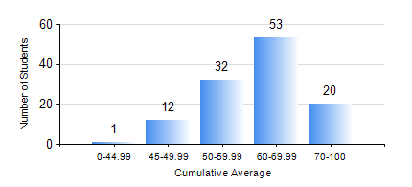
 |  |  | KWAME NKRUMAH UNIVERSITY OF SCIENCE AND TECHNOLOGY, KUMASI Department of Materials Engineering

 |  |  | BSC. MATERIALS ENG.

 |  |  | COMPREHENSIVE RECORD OF EXAMINATION RESULTS

 |  |  | RESULTS OF YEAR 4 FIRST SEMESTER, 2024/2025 ACADEMIC YEAR

 | Sn | Course Code |  | Course Name | Credit Hours | Min. Mark | Max. Mark | Avg. Mark | Std. Dev. | No. Passed | No. Trailed | No. (Df) | No. (I) | No. (I*) | No. Tagged(I,I*,Df) | Total
 | 0. |  |  |  |  |  |  | 0 | 0 | 0 | 0 | 0 | 0 | 0 | 0 | 3
 | 1. | ME 491 |  | ENGINEERING ECONOMY AND MANAGEMENT | 3 | 40 | 94 | 71 | 11.24 | 115 | 0 | 0 | 0 | 0 | 0 | 115
 | 2. | MSE 451 |  | COMPOSITE MATERIALS | 3 | 22 | 84 | 49 | 12.34 | 99 | 16 | 0 | 0 | 0 | 0 | 115
 | 3. | MSE 453 |  | CORROSION OF ENGINEERING MATERIALS | 3 | 29 | 93 | 68 | 11.63 | 114 | 1 | 0 | 0 | 0 | 0 | 115
 | 4. | MSE 455 |  | FAILURE ANALYSIS AND NON-DESTRUCTIVE TESTING | 2 | 48 | 88 | 73 | 7.26 | 115 | 0 | 0 | 0 | 0 | 0 | 115
 | 5. | MSE 457 |  | METALWORKING PROCESSES | 3 | 34 | 89 | 66 | 11.34 | 114 | 1 | 0 | 0 | 0 | 0 | 115
 | 6. | MSE 459 |  | VACATION TRAINING | 1 | 43 | 93 | 74 | 9.57 | 114 | 0 | 0 | 0 | 0 | 0 | 114
 | 7. | MSE 497 |  | FINAL YEAR PROJECT-PROPOSAL DEVELOPMENT | 2 | 40 | 84 | 74 | 8.26 | 114 | 0 | 0 | 0 | 0 | 0 | 114

